Part 2 Summary
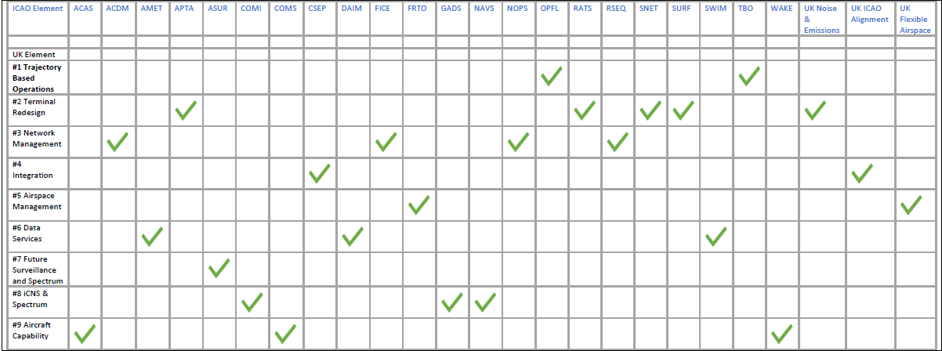
UK Elements delivering the ICAO GANP Sub-elements

This AMS workbook builds on the swimlane diagrams outlined in the AMS Part 2 document. Each UK Element is described in its own worksheet, accessed via the tabs at the bottom of the page. The diagram provides an overview of the nine UK Elements with the Global Air Navigation Plan Sub-elements that should be addressed through that UK Element. There is a also a table view of the same detail provided below. That does not mean that these UK Elements do not have a relationship or dependency on other GANP Sub-elements; this relationship/dependency on relevant sub-elements is what the individual element worksheet tries to capture, so you will see repetition of GANP Sub-element detail within different worksheets.

The UK Element worksheet captures relevant sub-elements. Any text in italic is additional UK descriptions over and above the GANP description. Relevant UK adopted legislation has been included where delivery items are described along with dates and included in the relevant ASBU block. "Means" rows describe specific activities for that sub-element and are coded with the GANP Sub-element name code, ASBU Block and sequence number (i.e. FRTO-B1/2).

