iii New cost required by law
(iii) New cost items required by law

Charging Regulation (EC) No 1794/2006, as amended by (EU) No 1191/2010, Article 11a. 8.(c) and Charging Regulation (EU) No 391/2013, Article 14 2. (a) (iii) unforeseen new cost items not covered in the performance plan, but required by law;

i) A full description of the cost item

Description
Describe the new cost item not covered by the performance plan, but required by law. The proposal here reflects a return of value from NERL to users for spectrum costs. At the time that the RP1 determined costs were set it was known that NERL was likely to be required to pay for access to radio spectrum under anticipated legislation. At the time the amounts were not known. In setting the determined cost a small allowance was made for radio spectrum costs (£1.1 million in 2008/9 prices in aggregate for the four years 2011-2014). It was however recognised that the liability for payments could be much larger if the spectrum for radar was included during the course of RP1. As a consequence of this uncertainty, the CAA made provision in the price control covering RP1 for a pass-through to be carried forward to future review periods and this was set out in the UK's performance plan (addendum) as what were then described as uncontrollable costs. At the time, the CAA envisaged that NERL would absorb 20% of any positive increase in costs up to a maximum loss to NERL of £5million while in the event of a favourable variance 80 percent of the variance would be returned to users. On the basis of legal advice, the UK now believes that the regulations do not allow a partial pass through and the proposal is now that NERL pass back 100% of the variance to users. In practice NERL incurred less cost than assumed. A forecast of the difference between actual and assumed costs was reflected in the UK/Ireland FAB Plan as an adjustment to NERL’s regulatory asset base (RAB) from the start of RP2, and has therefore been reflected in RP2 charges. This adjustment is explained on pages 154 and 174 of the RP2 Plan. Following better information, the final difference between actual and assumed costs is as summarised in the table below.

Evidence and sources
Provide evidence and sources for this new item (e.g. extracts from the law, etc.) at annex of the report and list in this box the different documents included in the annex in respect of this item.

ii) The cost attributed to this item in the performance plan

Actual costs
Describe how the actual cost attributed to this item is computed/calculated, including the sharing key for allocation of costs to terminal and en-route charges. Different NATS subsidiaries provide en route and airport services with full legal and accounting separation. Spectrum costs represent the actual costs incurred and reported in NERL’s accounts on a financial year basis. This data has been extracted from the accounts and calendarised by taking relevant 25% and 75% shares of the financial year data. The data is presented in NERL’s audited Regulatory Accounts – see pages 20 (7.2 – Spectrum Charges on a financial year basis for CP3) and 24 (Spectrum cost variances which reports Costs Exempt for RP1 on a calendar year basis).

iii) The justification why the cost item is considered to be eligible as exemption to the cost sharing arrangements

Total costs exempt from cost-sharing claimed in respect of new cost items required by law
 | 2012 D | 2013 D | 2014 D | 2012 A | 2013 A | 2014 A
Total claimed in respect of new cost items required by law (RT 3.10) | 311 | 320 | 231 | 394 | (255) | 200

Total costs exempt from cost-sharing claimed in respect of new cost items required by law - detailed data and calculations
Describe how the amounts claimed for exemption to the cost-sharing arrangements have been computed/calculated and provide for the calculations in a table (figures) to be inserted in the next box. NB the actual amounts for 2013 corrects for an over-estimate of costs in 2012. The actuals for 2012 and 2013 should therefore be considered in aggregate.

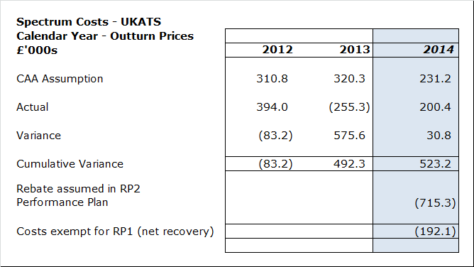
The gross value is £523k. The RP2 Performance Plan assumed a rebate of £684k in 12/13 average RPI prices, which is equivalent to £715k in 2014 RPI average prices.
Justification why the cost item is considered to be eligible as exemption to the cost sharing arrangements

iv) The underlying events or circumstances outside the control of the NSA, ANSP or qualified entity concerned that triggered a variation between actual and determined costs related to this cost item

Justify why the “uncontrollable” element is considered outside the control of the entity concerned and explain which are the underlying events or circumstances which triggered a change to this element. The UK considers that these costs to be "unforeseen new cost items, not covered in the performance plan, but required by law". In this instance the actual costs in RP1 were lower than the determined costs established at the beginning of the reference period and should consequently be returned to airspace users. This was reflected in the RP2 settlement based on estimates. The final calculations indicated a recovery of part of the estimate made in the RP2 settlement (see table above). We propose that this relatively small balance is recovered in its entirety during the course of RP2.

v) Actions taken to manage the cost risk associated with this item

Describe the actions taken ex-ante to manage the cost-risk associated with this item, as well as the actions taken to limit the impact of the unforeseen change on the costs to be passed on to airspace users. Not applicable here as the effect is a reduction for users.

